Defects
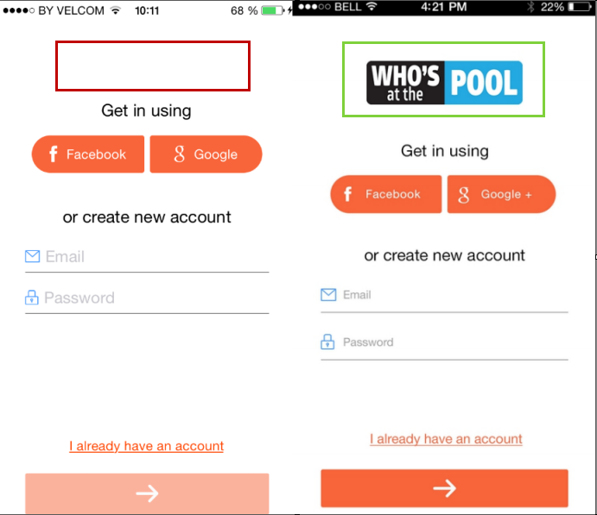
№ 1 | Summary | Sign Up: Whos' at the Pool image is absent
 | Severity | Average
 | Description | 1. Run the app 2. Look at the Sign Up page Result: Who's at the Pool image is not displayed Expected result: Who's at the Pool image should be displayed below the Sign In label Note: the issue is also reproduced for the Sign In page

№ 2 | Summary | Profile: Nickname, City and State fields are not truncated with 3 dots after update
 | Severity | Minor
 | Description | 1. Run the app 2. Sign in as existing user 3. Open Menu -> Profile 4. Fill in the Nickname field with value more than the field length 5. Tap to the next field Result: Nickname field is truncated with 3 dots - correct 6. Tap the Update button 7. Open Menu -> Profile again Result: Nickname field is not truncated with 3 dots and is displayed outside the field Expected result: the field should be truncated with 3 dots Note: the issue is reproduced for City and State field too | 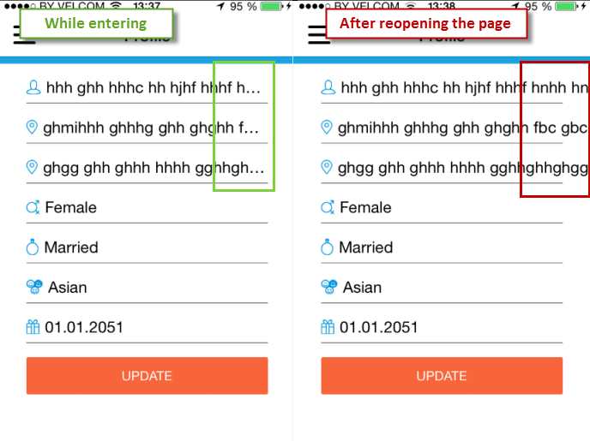

№ 3 | Summary | Profile: Birthday date can be selected in future
 | Severity | Average
 | Description | 1. Run the app 2. Sign in as existing user 3. Open Menu -> Profile 4. Tap the Birthday field 5. Select the date in future (e.g. 2051 year) Result: the date can be selected Expected result: there should be date validation in order to disallow entering future dates

№ 4 | Summary | Profile: page is not pre-filled with info from Facebook/Google
 | Severity | Major
 | Description | Preconditions: there should be an account in Facebook/Google 1. Run the app 2. Sign up using Facebook or Google 3. Look at the Profile page Result: the page is not pre-filled with info from Facebook/Google Expected result: the Profile page should be pre-filled with info from Facebook/Google

№ 5 | Summary | Sign Out button disappears after the phone is locked while on the Profile page
 | Severity | Major
 | Description | 1. Run the app 2. Sign up 3. Lock the phone while on the Profile page 4. Open the Menu Result: Sign Out button is absent Expected result: Sign Out button should be displayed on the botton of the menu

№ 6 | Summary | Map: pools in radius more than 6 miles are displayed
 | Severity | Major
 | Description | Preconditions: there should be a pool in radius more than 6 miles from your location 1. Run the app 2. Sign in as existing user 3. Open Menu -> Map 4. Look at the displayed pools Result: the pool from preconditions is displayed Expected result: only pool in location with a radius of 6 miles should be displayed

№ 7 | Summary | Tag a Pool: incorrect validation behaviour for Name field
 | Severity | Major
 | Description | 1. Run the app 2. Sign in as existing user 3. Open Menu -> Tag a Pool 4. Fill in the Name field with 3 characters Result: the name is not highlighted with red 5. Tap Save Result: validation message appears, min length is 5 characters Expected result: 1) validation message shoul not appear 2) the name should be highlighted in red until the 5th character is entered

№ 8 | Summary | Tag a Pool: redundan keyboard appears below the rate suggestion message
 | Severity | Minor
 | Description | 1. Run the app 2. Sign in as existing user 3. Open Menu -> Tag a Pool 4. Fill in the Name 5. Tap Save 6. Look at the appeared message with rate Result: the redundant keyboard is displayed below the message Expected result: keyboard should not be displayed |  | 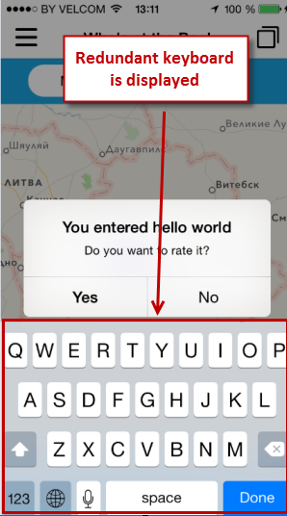

№ 9 | Summary | "Rate app" button opens incorrect app for rating
 | Severity | Major
 | Description | 1. Run the app 2. Sign in as existing user 3. Open Menu -> Rate app Result: incorrect app is opened for rating Expected result: WhosAtThePool app should be opened

№ 10 | Summary | Change password: incorrect min length of new password
 | Severity | Average
 | Description | 1. Run the app 2. Sign in as existing user 3. Open Menu -> Change password 4. Fill in old password 5. Fill in new password and confirm field with 6 characters 6. Tap Change Result: validation message appears, min length is 8 characters Expected result: password length should be change either on: 1) Sign In page - from 6 to 8 2) Change password - from 8 to 6

№ 11 | Summary | Rate: rate state is saved when navigating among pools
 | Severity | Average
 | Description | 1. Run the app 2. Sign in as existing user 3. Open Menu -> Map 4. Tap any existing pool 5. Tap Rate 6. Change any options (do not tap Submit) 7. Open Menu -> Map 8. Tap another pool 9. Tap Rate Result: rate from the previous pool (from step 6) is displayed Expected result: rate should be always opened without any changes by default

№ 12 | Summary | Menu: City and State are not displayed below the Nickname
 | Severity | Average
 | Description | 1. Run the app 2. Sign in as existing user 3. Open Menu Result: City and State are not displayed below the Nickname in the menu Expected result: according to the , there should be City and State below the Nickname

№ 13 | Summary | Menu: items are corrupted when profile name is too long
 | Severity | Average
 | Description | Preconditions: there should be a profile with more than 30 characters in the Nickname 1. Run the app 2. Sign in as existing user 3. Open Menu Result: items are truncated on the bottom and Nickname is truncated on the right Expected result: Nickname should be truncated with 3 dots - TBD | 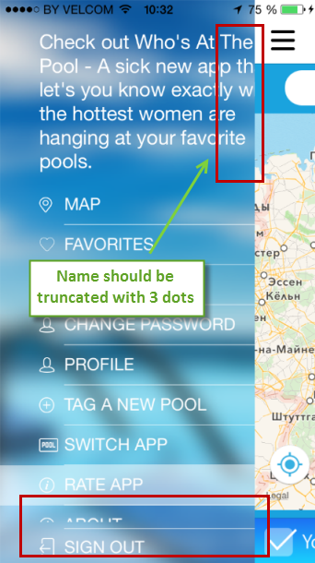

№ 14 | Summary | Alerts and Settings: notifications about a better hottie hot-spot don't work
 | Severity | Major
 | Description | Preconditions: 1) you should be located in any pool without rating 2) several pools with rating should exist 1. Run the app 2. Sign in as existing user 3. Surf through the app Result: no notifications appear about a better hottie hot-spot near your location Expected result: notifications should appear

№ 15 | Summary | Profile: info is saved on the page when navigating between menu items
 | Severity | Average
 | Description | 1. Run the app 2. Sign in as existing user 3. Open Menu -> Profile 4. Change any info (do not click Save) 5. Open Menu -> Map 6. Open Menu -> Profile again Result: the changed info is displayed Expected result: info should not be saved until tapping Save

№ 16 | Summary | Menu: higlightning is truncated by 1 px on the top
 | Severity | Enhancement
 | Description | 1. Run the app 2. Sign in as existing user 3. Open Menu -> Profile 4. Open Menu again 5. Look at the highlithed item Result: higlightning is truncated by 1 px on the top Expected result: higlightning should be full | 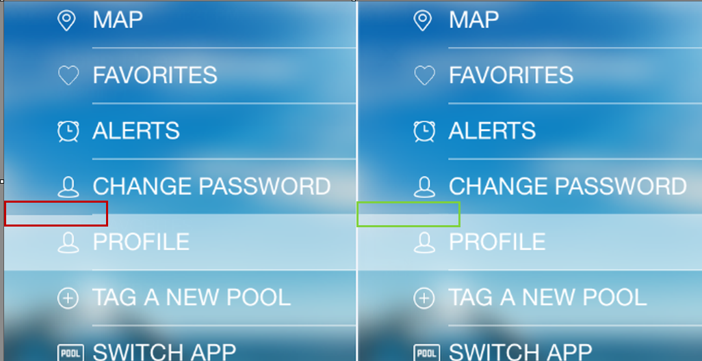

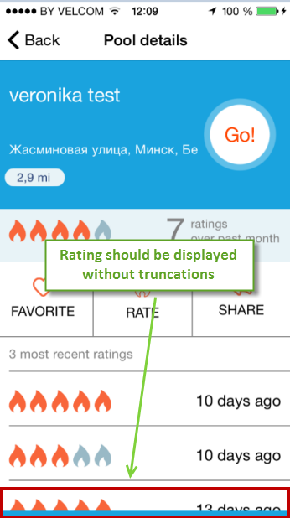
№ 17 | Summary | Incorrect detecting of user's location in pool area
 | Severity | Major
 | Description | 1. Run the app 2. Sign in as existing user 3. Wait a min for a notification about places you enter 4. Sign out and sign in again (do not change your location) 5. Wait a min for a notification again Result: notifications are different, different pools are detected as entered Expected result: detecting of user's location in pool area should be correct

№ 17 | Summary | Pool details: the 3rd rating is truncated
 | Severity | Minor
 | Description | Preconditions: there should be a pool with at least 3 ratings 1. Run the app 2. Sign in as existing user 3. Open Menu -> Map -> pool (from preconditions) 4. Look at the Pool details page Result: the 3rd rating is not fully viewed Expected result: the ratings should fit the page and be fully viewed without scrolling

№ 18 | Summary | Profile: "You entered" notification appears for the just created user
 | Severity | Major
 | Description | 1. Run the app 2. Sign up as a new user 3. Do not enter any data on the Profile page 4. Wait a min for a notification about places you enter Result: notification appears, user can navigate to Pool details page in spite he hasn't enter and submit any data yet Expected result: notifications should not be sent until user submit al the required data

№ 19 | Summary | Menu: Switch App tab is not highlighted when Switching App button is tapped on the Map page
 | Severity | Minor
 | Description | 1. Run the app 2. Sign in as existing user 3. Open Menu -> Map 4. Tap Switch app button 5. Open Menu Result: Map item is still highlighted in spite Switch app tab is opened Expected result: Switch app tab should be highlighted

№ 20 | Summary | Admin Portal: "user name" is written instead of "username" in validation message
 | Severity | Minor
 | Description | 1. Open the Login page of Admin Portal 2. Fill in the Username and Password fields with invalid data 3. Click Login 4. Look at the appeared validation message Result: "The user name or password is incorrect." is displayed Expected result: "The username or password is incorrect." should be instead | 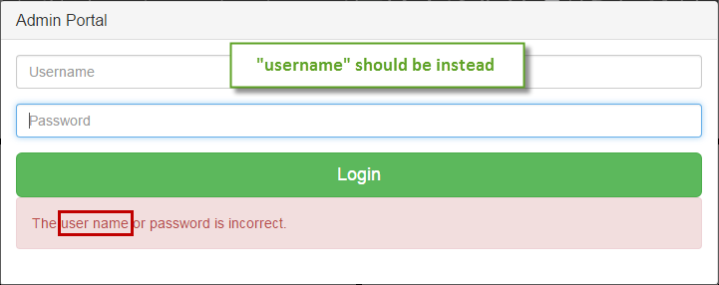

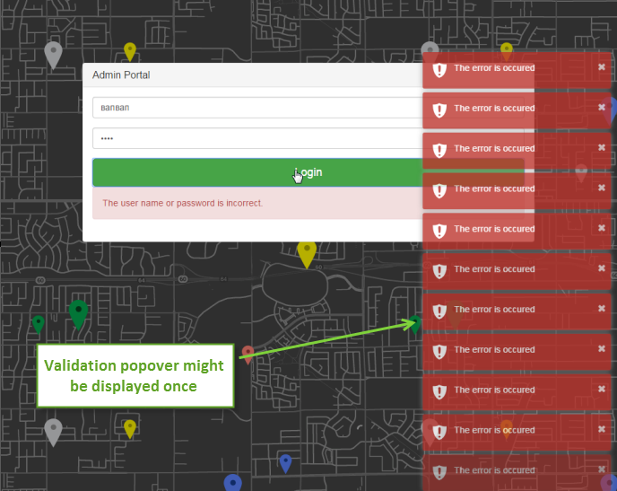
№ 21 | Summary | Admin Portal: data from the "Password" field can be copied
 | Severity | Major
 | Description | 1. Open the Login page of Admin Portal 2. Fill in the Password fields with any data 3. Select and copy entered data from Password field 4. Paste it to Username field Result: the data is pasted Expected result: there should be no opportunity to copy from the Password field

№ 22 | Summary | Admin Portal: validation popover appears each time the Login button is clicked
 | Severity | Enhancement
 | Description | 1. Open the Login page of Admin Portal 2. Fill in the Username and Password fields with invalid data 3. Click Login several times Result: validation popover on the right bottom appears each time Expected result: validation popover might be displayed once

№ 23 | Summary | Admin Portal: Places: the first and the last prev/next page buttons are not disabled
 | Severity | Minor
 | Description | 1. Login in to Admin Portal 2. Click Places -> Pools 3. Look at the previous page button on the bottom of the grid Result: the previous page button seems to be enabled in spite it is disalbed for clicking Expected result: the first prev page button should be disabled Note: the issue is also reproduced for the last next page button and for the User Manager grid

№ 24 | Summary | Admin Portal: Add New Place: Cancel button is in the focus when pressing Enter key
 | Severity | Average
 | Description | 1. Login in to Admin Portal 2. Click Places -> Pools -> Add New Place 3. Fill in the Title field 4. Press Enter key Result: the previous page is opened, pool is not saved Expected result: no buttons at all should be in focus when pressing Enter key while staying in other field

№ 25 | Summary | Admin Portal: Add New Place: Add button might be disabled until Name field is filled in
 | Severity | Enhancement
 | Description | 1. Login in to Admin Portal 2. Click Places -> Pools -> Add New Place 3. Do not fill in any field 4. Click Add button Result: Add button is clickable Expected result: Add button might be disabled until Name field is filled in and Name field might be marked with asterisk as required

№ 26 | Summary | Admin Portal: columns doesn’t have minimal width
 | Severity | Minor
 | Description | 1. Login in to Admin Portal 2. Click Places -> Pools 3. Resize the Rating column to minimum Result: column's name and "greater/lower than" fields are truncated 4. Resize the Options column to minimum Result: Delete button in the Options column is truncated Expected result: Rating and Options columns should have minimal width in order not to truncated elements (column titles and buttons) in it Note: the issue is also reproduced for the following columns in User Manager grid - Marital Status, Email Confirmed, Accept Terms and Conditions, Lock, Ban Conditions

№ 27 | Summary | Admin Portal: Places: Rating: only numeric chars and a dot should be allowed for search
 | Severity | Enhancement
 | Description | 1. Login in to Admin Portal 2. Click Places -> Pools 3. Try to enter alpha-characters into the "greater/lower than" fields (Rating column) Result: alpha characters are entered Expected result: all the characters (except numeric and a dot) should be disallowed for entering Notes: the issue is also reproduced for Age column in User Manager grid

№ 28 | Summary | Admin Portal: Places: X icon doesn't disappear after clearing search in the fields
 | Severity | Minor
 | Description | 1. Login in to Admin Portal 2. Click Places -> Pools 3. Enter anything in the Search field of the Title column 4. Clear it completely with backspace Result: X icon is still displayed on the right Expected result: X icon shouldn't be displayed when the field is empty Note: the issue os reproduced for all the Search fields

№ 29 | Summary | Admin Portal: Places: there are no tootips when hovering over truncated records
 | Severity | Minor
 | Description | 1. Login in to Admin Portal 2. Click Places -> Pools 3. Hover over any truncated address record in the Address column Result: there is no any tooltip Expected result: there should be a tooltip with a fully seen record Notes: the issue is reproduced for all the columns

№ 30 | Summary | Admin Portal: Places: columns state is not remembered per user session
 | Severity | Average
 | Description | 1. Login in to Admin Portal 2. Click Places -> Pools 3. Hide several columns 4. Click Add New Place 5. Click Cancel Result: columns order is set to default Expected result: columns state should be remembered per user session Note: the issue is also reproduced for User Manager grid

№ 31 | Summary | Admin Portal: Places: Delete: there is no any info in confirmation pop-up
 | Severity | Average
 | Description | 1. Login in to Admin Portal 2. Click Places -> Pools 3. Click Delete near any pool 4. Look at the appeared Please Confirm pop-up Result: there is no any info in confirmation pop-up, only Yes/No buttons Expected result: there should be any message, e.g. "Are you sure You want to delete <Title> pool?" - TBD

№ 32 | Summary | Admin Portal: Preferences: Save button is aligned incorrectly
 | Severity | Minor
 | Description | 1. Login in to Admin Portal 2. Click Preferences 3. Look at the Save button Result: Save button is shifted to the right Expected result: Save button should be aligned with Preferences kabel

№ 33 | Summary | Admin Portal: pools are always approved in spite "Autoapprove places" is unchecked
 | Severity | Average
 | Description | 1. Login in to Admin Portal 2. Click Preferences 3. Uncheck "Autoapprove places" checkbox 4. Click Save 5. Click Places -> Pools -> Add New Place 6. Fill in all the required data 7. Click Add 8. Look at the just created pool Result: Approved status is displayed Expected result: pool should be with Not Approved status

№ 34 | Summary | Admin Portal: User Management: grid is aligned incorrectly
 | Severity | Minor
 | Description | 1. Login in to Admin Portal 2. Click User Management 3. Look at the grid Result: User Manager grid is aligned incorrectly Expected result: grid should be aligned with User Manager label Note: the issue is reproduced on Add New Place grid

№ 35 | Summary | Admin Portal: User Management: menu item and grid name should be unified
 | Severity | Minor
 | Description | 1. Login in to Admin Portal 2. Click User Management 3. Look at the grid Result: grid is named "User Manager", menu item is named "UserManagement" Expected result: both names should be unified - either "User Manager" or "User Management"

№ 36 | Summary | Admin Portal: User Management: Email Confirmed and Accept T&C columns should have logic search
 | Severity | Minor
 | Description | 1. Login in to Admin Portal 2. Click User Management 3. Look at the search field in Email Confirmed and Accept T&C columns Result: search fields have a text format Expected result: there should be a logic search, i.e. drop-down with values "true/false"

№ 37 | Summary | Admin Portal: User Management: Marital Status and Accept T&C are written in one word
 | Severity | Minor
 | Description | 1. Login in to Admin Portal 2. Click User Management 3. Click Actions button on the right of the grid Result: "MaritalStatus" and "Accept TermsAndConditions" are displayed ib the drop-down Expected result: "Marital Status" and "Accept Terms And Conditions" should be instead

